Sheet1
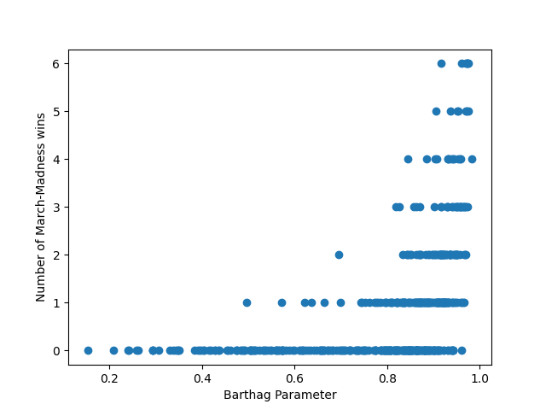
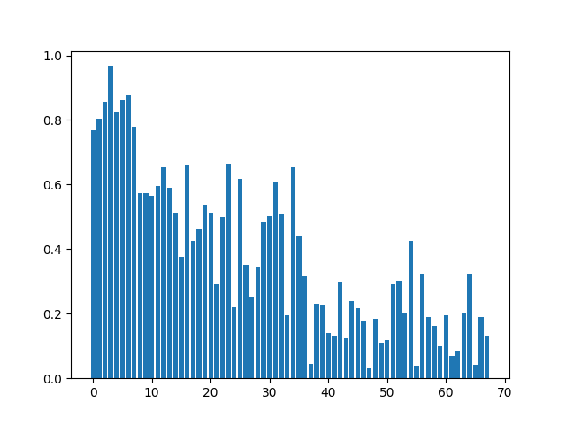
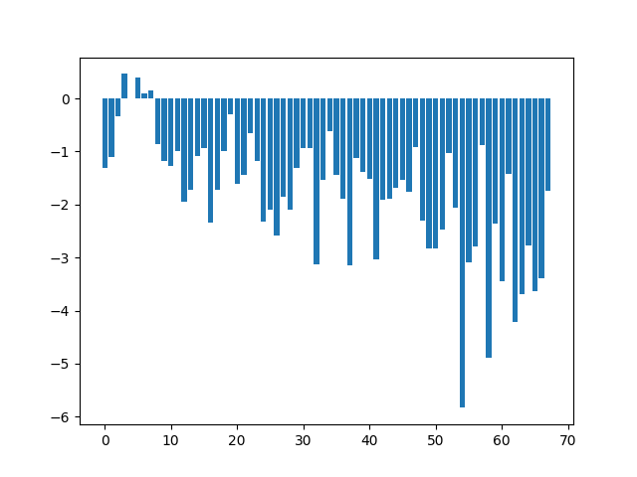
Team | Prediction
Gonzaga | 0.96526046632
Houston | 0.87887609801
Ohio St. | 0.86099111149
Illinois | 0.85672253929
Iowa | 0.82584750375
Baylor | 0.80314583998
Alabama | 0.77819403925
Michigan | 0.76858331657
San Diego St. | 0.66501240588
Villanova | 0.66230572421
Wisconsin | 0.65429317951
Florida St. | 0.65358400925
Connecticut | 0.61782603267
Loyola Chicago | 0.60593280406
Arkansas | 0.59697689936
Virginia | 0.58977794708
West Virginia | 0.57335374157
Texas | 0.57291482304
Kansas | 0.56589339566
Colorado | 0.53596057638
Purdue | 0.51128427994
Texas Tech | 0.51015562328
St. Bonaventure | 0.50838376208
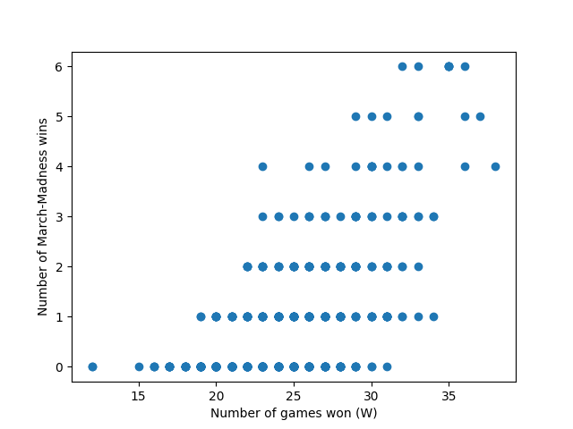
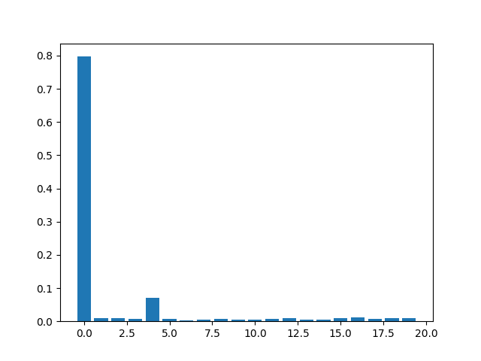
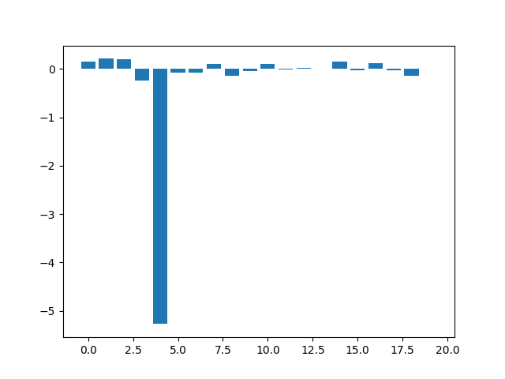
LSU | 0.50106394549
USC | 0.49876898141
North Carolina | 0.48379963736
Creighton | 0.46029728784
Georgia Tech | 0.43857186077
Colgate | 0.42593738805
Tennessee | 0.42448913539
Oklahoma St. | 0.37624566701
Clemson | 0.35134975605
Oklahoma | 0.34404908267
Hartford | 0.32402867571
Abilene Christian | 0.32039472558
Rutgers | 0.31578062909
UNC Greensboro | 0.30177012264
Syracuse | 0.29972970238
North Texas | 0.29204773846
BYU | 0.29108128568
Oregon | 0.25379072172
Utah St. | 0.23849187273
Maryland | 0.22980227652
VCU | 0.22651325742
Florida | 0.2189246966
Drake | 0.21594516305
Mount St. Mary's | 0.2040800849
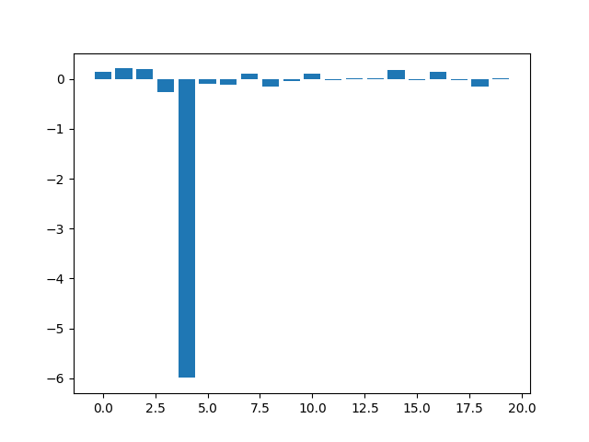
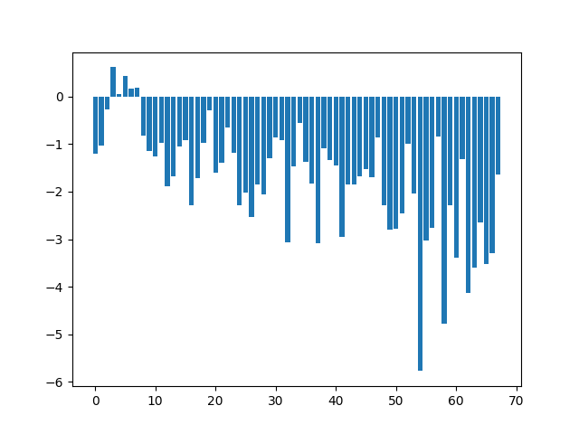
Liberty | 0.20293049413
Missouri | 0.19643688458
Grand Canyon | 0.19459403552
Texas Southern | 0.19048238235
Morehead St. | 0.18868283677
UC Santa Barbara | 0.18404300871
Georgetown | 0.17816781207
Iona | 0.16211866684
Michigan St. | 0.14056912393
Appalachian St. | 0.13239625592
Wichita St. | 0.12900857066
UCLA | 0.12334519668
Ohio | 0.11743378077
Winthrop | 0.11108201319
Oral Roberts | 0.098174226725
Drexel | 0.084398650833
Cleveland St. | 0.068769801251
Virginia Tech | 0.045025113966
Norfolk St. | 0.042759649024
Eastern Washington | 0.03805531443
Oregon St. | 0.029522074544

